SHEET
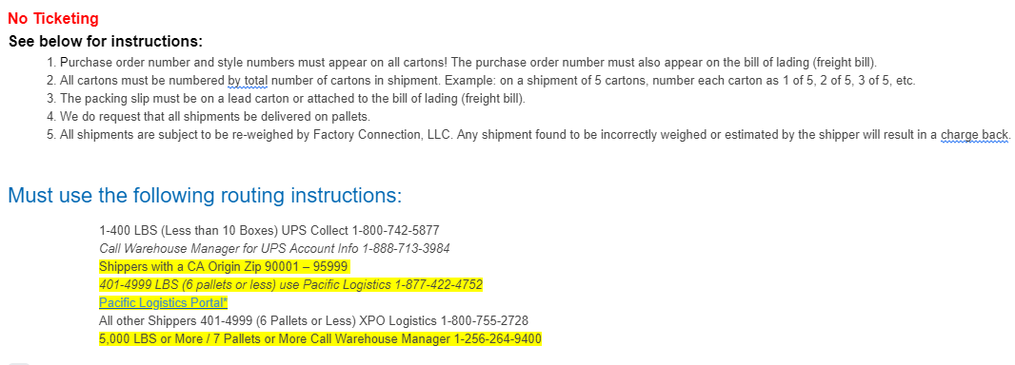
FACTORY CONNECTION

PICK TICKET CHECK LIST |  |  |  | PO# 12613
 |  |  |  | PT# 1756115

TICKETING |  | PRE-TICKETED

ROUTING |  |  |  |  | SHIP VIA: ROUTING

PACKING INSTRUCTIONS:
MARK ALL CTNS WITH WITH CUSTOMER NAME, PO# AND STYLE#
LABEL FORMAT
Purchase Order#:
Style NAME :
Ctn Qty:
Color:
Carton # : 1 of _

STYLE# | COLOR | SUB STYLE | SUB CLR | CUSTOMER STYLE# | QTY
KARMYL | BKA |  |  | KARMYL-BKA | 900
KARMYL | TUA |  |  | KARMYL-TUA | 900
KARMYL | WHA |  |  | KARMYL-WHA | 900

 |  |  |  | TOTAL | 2,700

INSTRUCTIONS:

